transit traffic
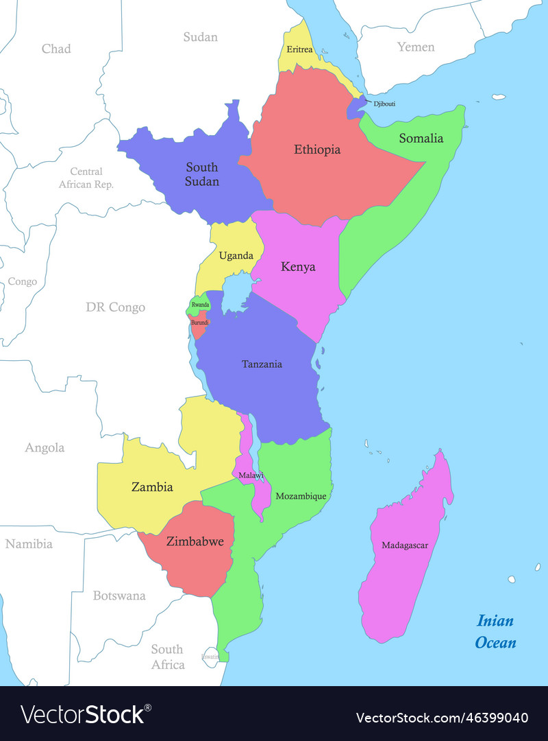
Transit Traffic (MT) |  | 2005 | 2006 | 2007 | 2008 | 2009 | 2010 | 2011 | 2012 | 2013 | 2014 | 2015 | 2016 | 2017 | 2018 | 2019 | 2020 | 2021 | 2022
Uganda | Imports | 2433000 | 2572000 | 3100000 | 3374000 | 3687000 | 3942000 | 4,028,361 | 4,499,302 | 4,508,118 | 5,132,276 | 5,592,914 | 5,922,160 | 6,590,095 | 7,417,307 | 7,646,869 | 7,152,317 | 6,592,200 | 6,641,941
 | Exports | 247000 | 250000 | 299000 | 327000 | 293000 | 291000 | 347,314 | 346,193 | 404,198 | 389,844 | 384,418 | 424,555 | 522,876 | 471,812 | 486,053 | 546,014 | 671,090 | 677,467
 | Total | 2680000 | 2822000 | 3399000 | 3701000 | 3980000 | 4233000 | 4,375,675 | 4,845,495 | 4,912,316 | 5,522,120 | 5,977,332 | 6,346,715 | 7,112,971 | 7,889,119 | 8,132,922 | 7,698,331 | 7,263,290 | 7,319,408
Tanzania | Imports | 246000 | 246000 | 227000 | 236000 | 231000 | 168000 | 150,516 | 168,006 | 180,131 | 173,022 | 190,880 | 171,238 | 244,239 | 229,652 | 234,126 | 234,578 | 212,773 | 196,300
 | Exports | 35000 | 24000 | 22000 | 15000 | 22000 | 11000 | 10,441 | 18,163 | 12,344 | 14,827 | 13,898 | 11,319 | 27,459 | 18,373 | 20,834 | 18,431 | 19,328 | 39,231
 | Total | 281000 | 270000 | 249000 | 251000 | 253000 | 179000 | 160,957 | 186,169 | 192,475 | 187,849 | 204,778 | 182,557 | 271,698 | 248,025 | 254,961 | 253,010 | 232,101 | 235,531
Burundi | Imports | 29000 | 66000 | 50000 | 56000 | 19000 | 6000 | 1,201 | 38,917 | 66,227 | 78,961 | 75,690 | 35,755 | 21,578 | 20,610 | 1,856 | 560 | 536 | 11,595
 | Exports | 0 | 1000 | 2000 | 1000 | 1000 | 1000 | 688 | 243 | 682 | 139 | 121 | 39 | 43 | 1,623 | 620 | 165 | 491 | 2,300
 | Total | 29000 | 67000 | 52000 | 57000 | 20000 | 7000 | 1,889 | 39,160 | 66,909 | 79,100 | 75,811 | 35,794 | 21,621 | 22,233 | 2,476 | 725 | 1,027 | 13,895
Rwanda | Imports | 194000 | 225000 | 263000 | 277000 | 236000 | 275000 | 216,306 | 247,730 | 223,127 | 221,323 | 273,815 | 180,281 | 167,323 | 219,650 | 219,949 | 421,762 | 177,830 | 411,238
 | Exports | 24000 | 28000 | 24000 | 17000 | 15000 | 13000 | 9,787 | 12,508 | 16,972 | 14,589 | 18,109 | 13,741 | 12,232 | 11,084 | 11,432 | 5,052 | 6,923 | 18,619
 | Total | 218000 | 253000 | 287000 | 294000 | 251000 | 288000 | 226,093 | 260,238 | 240,099 | 235,912 | 291,924 | 194,022 | 179,555 | 230,734 | 231,381 | 426,814 | 184,753 | 429,857
South Sudan | Imports | 141000 | 130000 | 145000 | 220000 | 156000 | 190000 | 375,897 | 736,266 | 716,470 | 696,816 | 652,513 | 552,179 | 545,634 | 563,663 | 651,532 | 980,026 | 978,613 | 1,112,163 | Source: https://www.vectorstock.com/royalty0free0vector/map0of0eastern0africa0with0borders0the0states0vector046399040
 | Exports | 6000 | 8000 | 0 | 3000 | 12000 | 33000 | 41,135 | 30,390 | 58,679 | 64,520 | 50,018 | 45,673 | 128,118 | 170,469 | 118,355 | 76,000 | 87,085 | 150,418
 | Total | 147000 | 138000 | 145000 | 223000 | 168000 | 223000 | 417,032 | 766,656 | 775,149 | 761,336 | 702,531 | 597,852 | 673,752 | 734,132 | 769,886 | 1,056,026 | 1,065,699 | 1,262,581
D.R. Congo | Imports | 113000 | 203000 | 225,000.00 | 264000 | 263000 | 402000 | 339,287 | 464,989 | 491,367 | 383,461 | 362,976 | 341,843 | 317,096 | 413,249 | 481,083 | 652,473 | 704,434 | 874,544
 | Exports | 21000 | 24000 | 32000 | 40000 | 26000 | 28000 | 16,004 | 17,369 | 20,346 | 24,267 | 33,156 | 35,092 | 43,028 | 57,719 | 65,872 | 79,635 | 83,498 | 88,344
 | Total | 134000 | 227000 | 357000 | 304000 | 289000 | 430000 | 355,291 | 482,358 | 511,713 | 407,728 | 396,132 | 376,935 | 360,123 | 470,968 | 546,954 | 732,108 | 787,933 | 962,888
Somalia | Imports | 43000 | 30000 | 33000 | 43000 | 16000 | 5000 | 29,329 | 16,359 | 6,969 | 4,592 | 11,697 | 3,950 | 3,820 | 1,964 | 374 | 1,229 | 105 | 171
 | Exports | 0 | 0 | 0 | 0 | 0 | 0 | 0 | 53 | 29 | 19 | 0 | 25 | 0 | 25 | 0 | 7 | 0 | 19
 | Total | 43000 | 30000 | 33000 | 43000 | 16000 | 5000 | 29,329 | 16,412 | 6,998 | 4,611 | 11,697 | 3,975 | 3,820 | 1,989 | 374 | 1,236 | 105 | 190
Others | Imports | 2000 | 0 | 0 | 1000 | 4000 | 15000 | 24,901 | 29,115 | 3,531 | 387 | 6,973 | 9,688 | 13,065 | 7,361 | 8,552 | 2,704 | 6,026 | 9,415
 | Exports | 0 | 0 | 1000 | 0 | 0 | 1000 | 5,000 | 39 | 47 | 73 | 0 | 999 | 0 | 0 | 15 | 61 | 21 | 310
 | Total | 2000 | 0 | 1000 | 1000 | 4000 | 16000 | 29,901 | 29,154 | 3,578 | 460 | 6,973 | 10,687 | 13,065 | 7,361 | 8,552 | 2,765 | 6,039 | 9,724
Total | Imports | 3201000 | 3472000 | 4043000 | 4471000 | 4612000 | 5003000 | 5,165,798 | 6,200,684 | 6,195,940 | 6,690,838 | 7,167,458 | 7,217,094 | 7,902,850 | 8,873,456 | 9,244,340 | 9,445,650 | 8,672,519 | 9,257,367
 | Exports | 333000 | 335000 | 380000 | 403000 | 369000 | 378000 | 430,369 | 424,958 | 513,297 | 508,278 | 499,720 | 531,443 | 733,756 | 731,106 | 703,180 | 725,365 | 868,436 | 976,708
 | Total | 3534000 | 3807000 | 4423000 | 4874000 | 4981000 | 5381000 | 5,596,167 | 6,625,642 | 6,709,237 | 7,199,116 | 7,667,178 | 7,748,537 | 8,636,606 | 9,604,562 | 9,947,520 | 10,171,015 | 9,540,955 | 10,234,075

cargo throughput
 | 2005 | 2006 | 2007 | 2008 | 2009 | 2010 | 2011 | 2012 | 2013 | 2014 | 2015 | 2016 | 2017 | 2018 | 2019 | 2020 | 2021 | 2022
IMPORTS ('000' MT)
Containerized Cargo | 2645 | 2,970 | 3,761 | 3,959 | 4,086 |  | 5,226 | 5,954 | 5,974 | 6,524 | 6,955 | 7,146 | 7,502 | 8,011 | 9,202 | 9,093 | 9,056 | 9,164
Conventional Cargo | 1,009 | 1,129 | 1,105 | 1,020 | 1,349 |  | 1,298 | 1,302 | 1,726 | 1,830 | 2,143 | 1,846 | 2,003 | 1,771 | 1,996 | 2,105 | 2,507 | 2,516
Dry Bulk | 2,128 | 2,344 | 2,722 | 2,891 | 4,641 |  | 3,807 | 4,811 | 4,913 | 5,231 | 6,350 | 6,447 | 7,920 | 7,929 | 7,784 | 8,254 | 7,165 | 6,229
Liquid Bulk | 4,918 | 5,403 | 5,474 | 5,441 | 6,432 |  | 6,607 | 6,665 | 6,537 | 7,192 | 7,232 | 7,677 | 8,179 | 7,764 | 8,576 | 8,318 | 8,604 | 8,804
TOTAL IMPORTS | 10,700 | 11,846 | 13,062 | 13,311 | 16,508 | 16,201 | 16,938 | 18,732 | 19,150 | 20,777 | 22,680 | 23,116 | 25,604 | 25,475 | 27,558 | 27,770 | 27,332 | 26,713
IMPORTS, EXPORTS & TRANSHIPMENTS

of which Transit In | 3,202 | 3,473 | 4,042 | 4,471 | 4,612 | 5,004 | 5,166 | 6,201 | 6,196 | 6,691 | 7,167 | 7,217 | 7,903 | 8,873 | 9,244 | 9,446 | 8,673 | 9,257
EXPORTS ('000' MT)
Containerized Cargo | 1,680 | 1,625 | 1,934 | 1,996 | 1,952 |  | 2,337 | 2,626 | 2,690 | 2,791 | 2,803 | 2,880 | 3,034 | 3,303 | 3,583 | 3,633 | 3,922 | 4,223
Conventional Cargo | 139 | 185 | 168 | 299 | 269 |  | 171 | 153 | 128 | 108 | 113 | 122 | 133 | 44 | 37 | 37 | 54 | 41
Dry Bulk | 286 | 313 | 205 | 200 | 62 |  | 122 | 106 | 65 | 422 | 578 | 606 | 547 | 733 | 602 | 475 | 586 | 453
Liquid Bulk | 173 | 132 | 167 | 190 | 166 |  | 158 | 160 | 100 | 45 | 40 | 51 | 80 | 45 | 55 | 60 | 50 | 54
TOTAL EXPORTS | 2,278 | 2,255 | 2,474 | 2,685 | 2,449 | 2,575 | 2,788 | 3,045 | 2,983 | 3,366 | 3,534 | 3,659 | 3,794 | 4,125 | 4,277 | 4,205 | 4,612 | 4,771

of which Transit Out | 334 | 335 | 381 | 404 | 368 | 377 | 430 | 425 | 513 | 508 | 500 | 531 | 734 | 731 | 703 | 725 | 868 | 977
TOTAL IMPORTS & EXPORTS | 12,978 | 14,101 | 15,536 | 15,996 | 18,957 | 18,776 | 19,726 | 21,777 | 22,133 | 24,143 | 26,214 | 26,775 | 29,398 | 29,600 | 31,835 | 31,975 | 31,944 | 31,484
Transhipment ('000' MT) | 303 | 318 | 426 | 419 | 105 | 158 | 227 | 143 | 174 | 732 | 518 | 589 | 874 | 1,247 | 2,495 | 2,031 | 2,489 | 2,304
Restows |  |  |  |  |  |  | 0 | 0 | 0 | 0 | 0 | 0 | 73 | 76 | 110 | 109 | 118 | 92
TOTAL THROUGHPUT ('000' MT) | 13,281 | 14,419 | 15,962 | 16,415 | 19,062 | 18,934 | 19,953 | 21,920 | 22,307 | 24,875 | 26,732 | 27,364 | 30,345 | 30,923 | 34,440 | 34,115 | 34,551 | 33,880

Container Traffic (TEU) | 436,671 | 479,355 | 585,367 | 615,733 | 618,816 | 695,600 | 770,804 | 903,463 | 894,000 | 1,012,002 | 1,076,118 | 1,091,371 | 1,189,957 | 1,303,862 | 1,416,654 | 1,359,579 | 1,435,250 | 1,449,863
Total Vessel Calls (No.) | 1,731 | 1,857 | 1,811 | 1,686 | 1,748 | 1,579 | 1,684 | 1,763 | 1,768 | 1,832 | 1,694 | 1,607 | 1,767 | 1,605 | 1,675 | 1,621 | 1,635 | 1,561

CARGO THROUGHPUT: IMPORTS & EXPORTS

origin destination countires
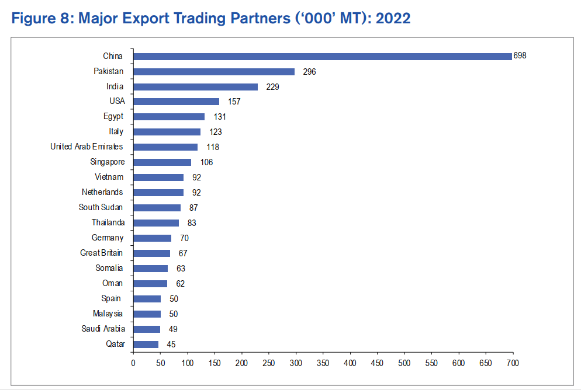
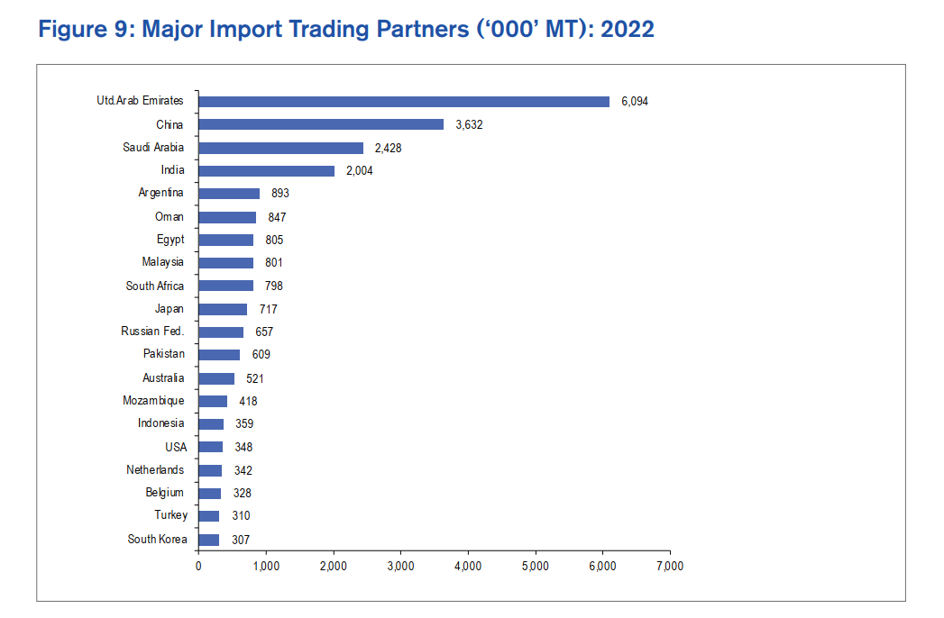
Destination of Exports ('000' MT): 2022 | Country | ('000' MT) | Origin of Imports ('000' MT): 2022 | Country | ('000' MT)
Africa | Egypt | 131 | Africa | Egypt | 805
 | Sudan | 87 |  | South Africa | 418
 | Somalia | 63 |  | Mozambique | 279
 | Tanzania | 36 |  | Tanzania | 279
 | South Africa | 35 |  | Morocco | 164
Europe | Italy | 123 | Europe | Russian Federation | 970
 | Netherlands | 92 |  | Netherlands | 342
 | Germany | 70 |  | Belgium | 328
 | Great Britain | 67 |  | Turkey | 310
 | Spain | 50 |  | Lithuania | 199
 | Croatia | 1 | Middle East | United Arab Emirates | 6094
Middle East | United Arab Emirates | 118 |  | Saudi Arabia | 2428
 | Oman | 62 |  | Oman | 847
 | Saudi Arabia | 49 |  | Kuwait | 203
 | Qatar | 45 |  | Iran | 168
 | Yemen | 24 | Far East | China | 3632
Far East | China | 698 |  | Japan | 717
 | Japan | 28 |  | South Korea | 307
 | Philippines | 15 |  | Taiwan | 207
South East | Pakistan | 296 | South East | India | 2004
 | India | 229 |  | Malaysia | 801
 | Singapore | 106 |  | Pakistan | 609
 | Vietnam | 92 |  | Indonesia | 359
 | Thailand | 83 | Oceania | Australia | 521
Oceania | Australia | 3 |  | New Zealand | 1
North America | United States of America | 157 | North America | United States of America | 348
 | Canada | 22 |  | Canada | 94
 | Mexico | 5 |  | Mexico | 2
 |  |  | South America | Argentina | 893
South America | Chile | 2 |  | Brazil | 64
 | Peru | 2 |  | Chile | 1

